Walmart
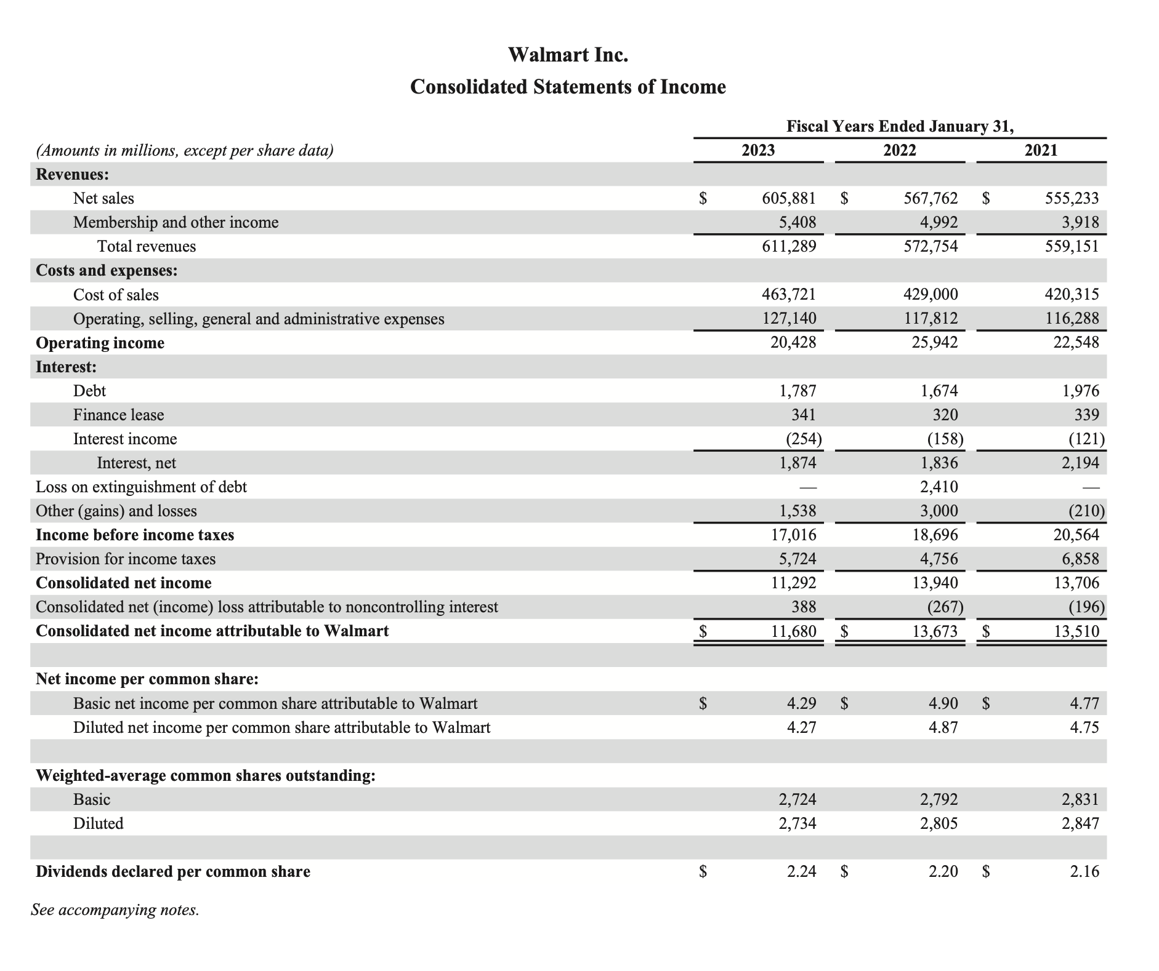
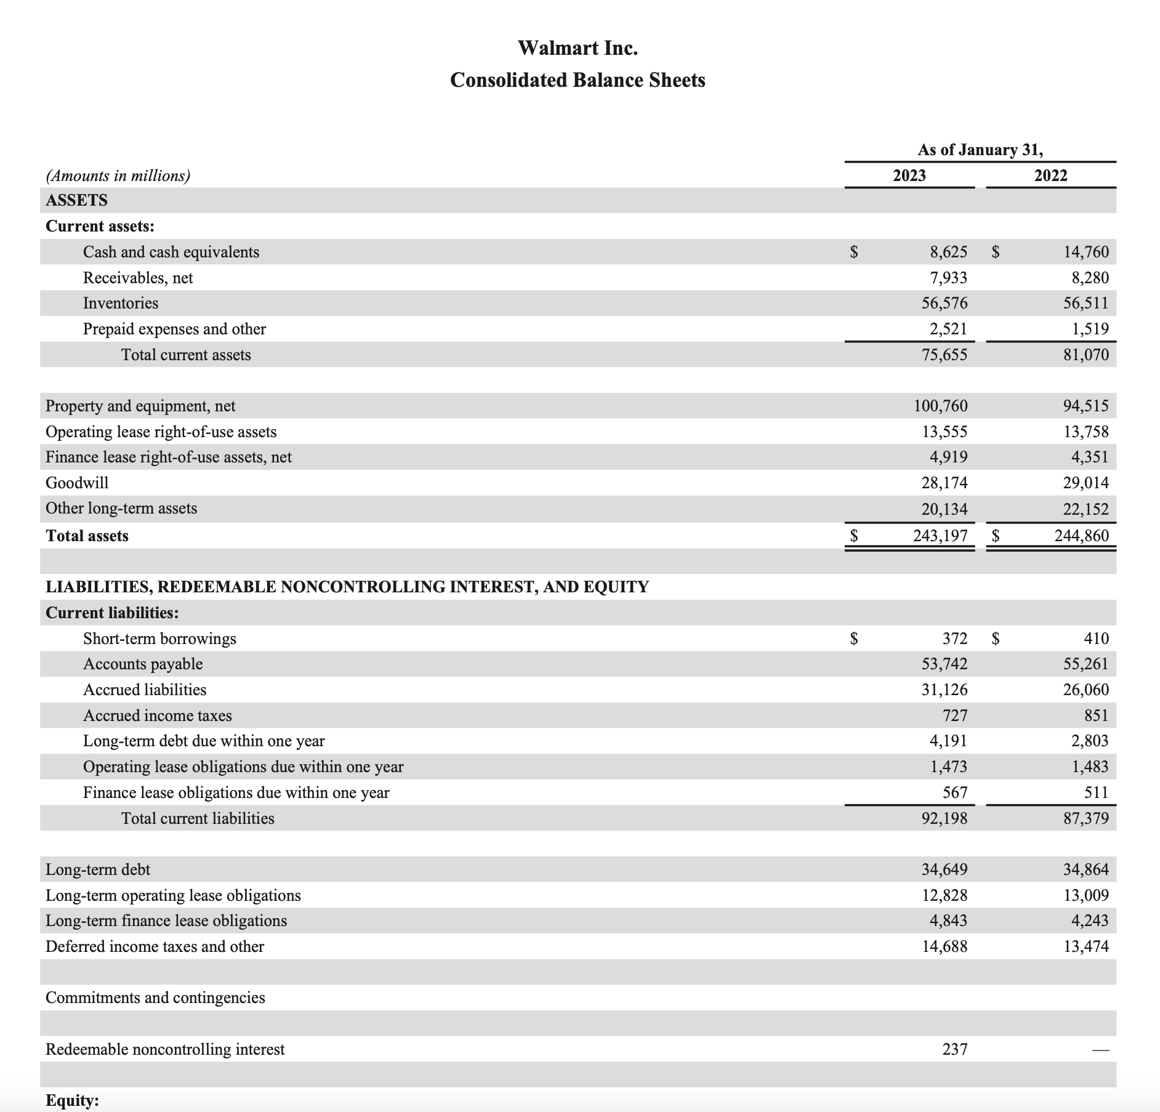
Income | 2023 |  | Balance | 2023
Total Revenues | 611289 |  | Inventories | 56576
COGS | 463721 |  | Account Receivables | 7933
 |  |  | Account Payables | 53742

Days Inventory Outstanding (DIO) =Inventory/COGS x 365

Days Sales Outstanding (DSO) =(Accounts Receivables)/(Total Revenue) x 365

Days Payable Outstanding (DPO) =(Accounts Payable)/COGS x 365

Cash to Cash to Cycle = Days Sales Outstanding + Days Sales Outstanding - Days Payable Outstanding

 | Year | Month | Days
DOI | 0.12200439488 | 1.4640527386 | 44.531604133
DSO | 0.012977495096 | 0.15572994116 | 4.7367857102
DPO | 0.1158929615 | 1.390715538 | 42.300930948
C2C Cycle | 0.01908892848 | 0.22906714176 | 6.9674588951

Costco
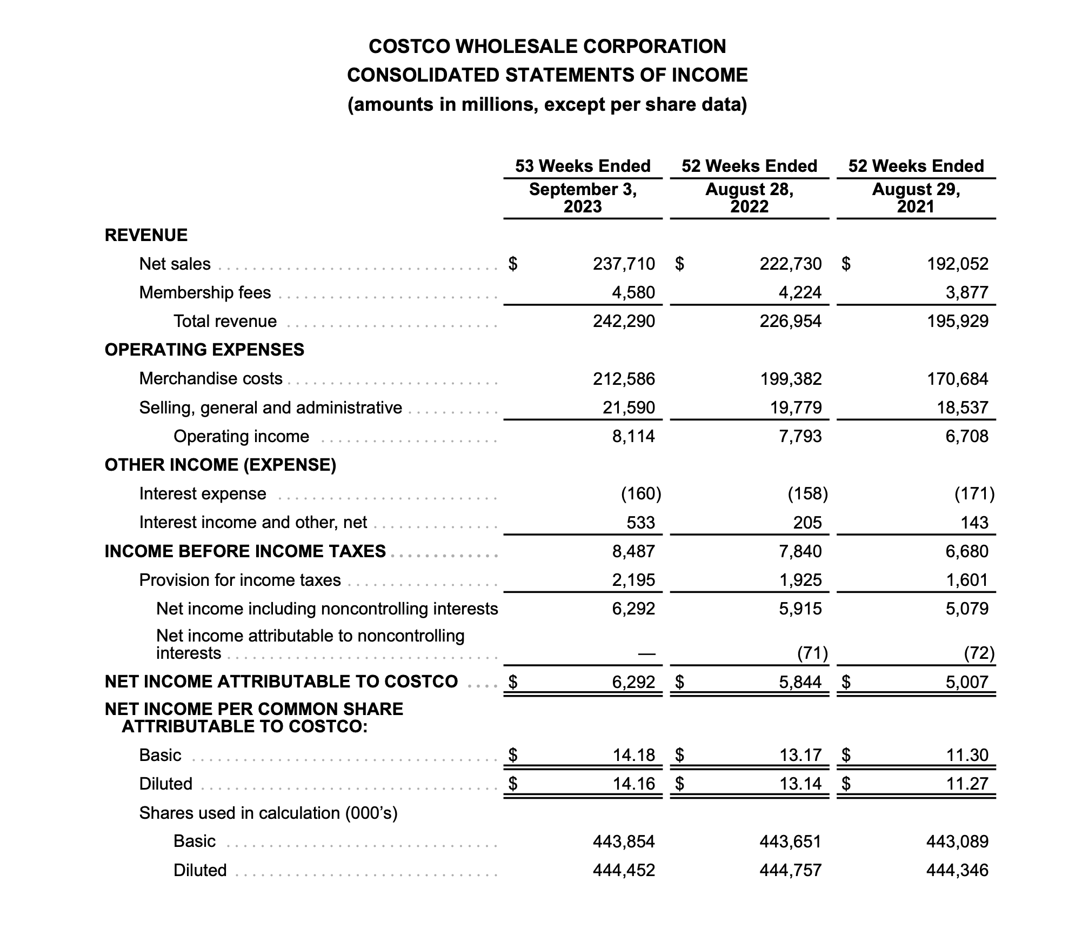
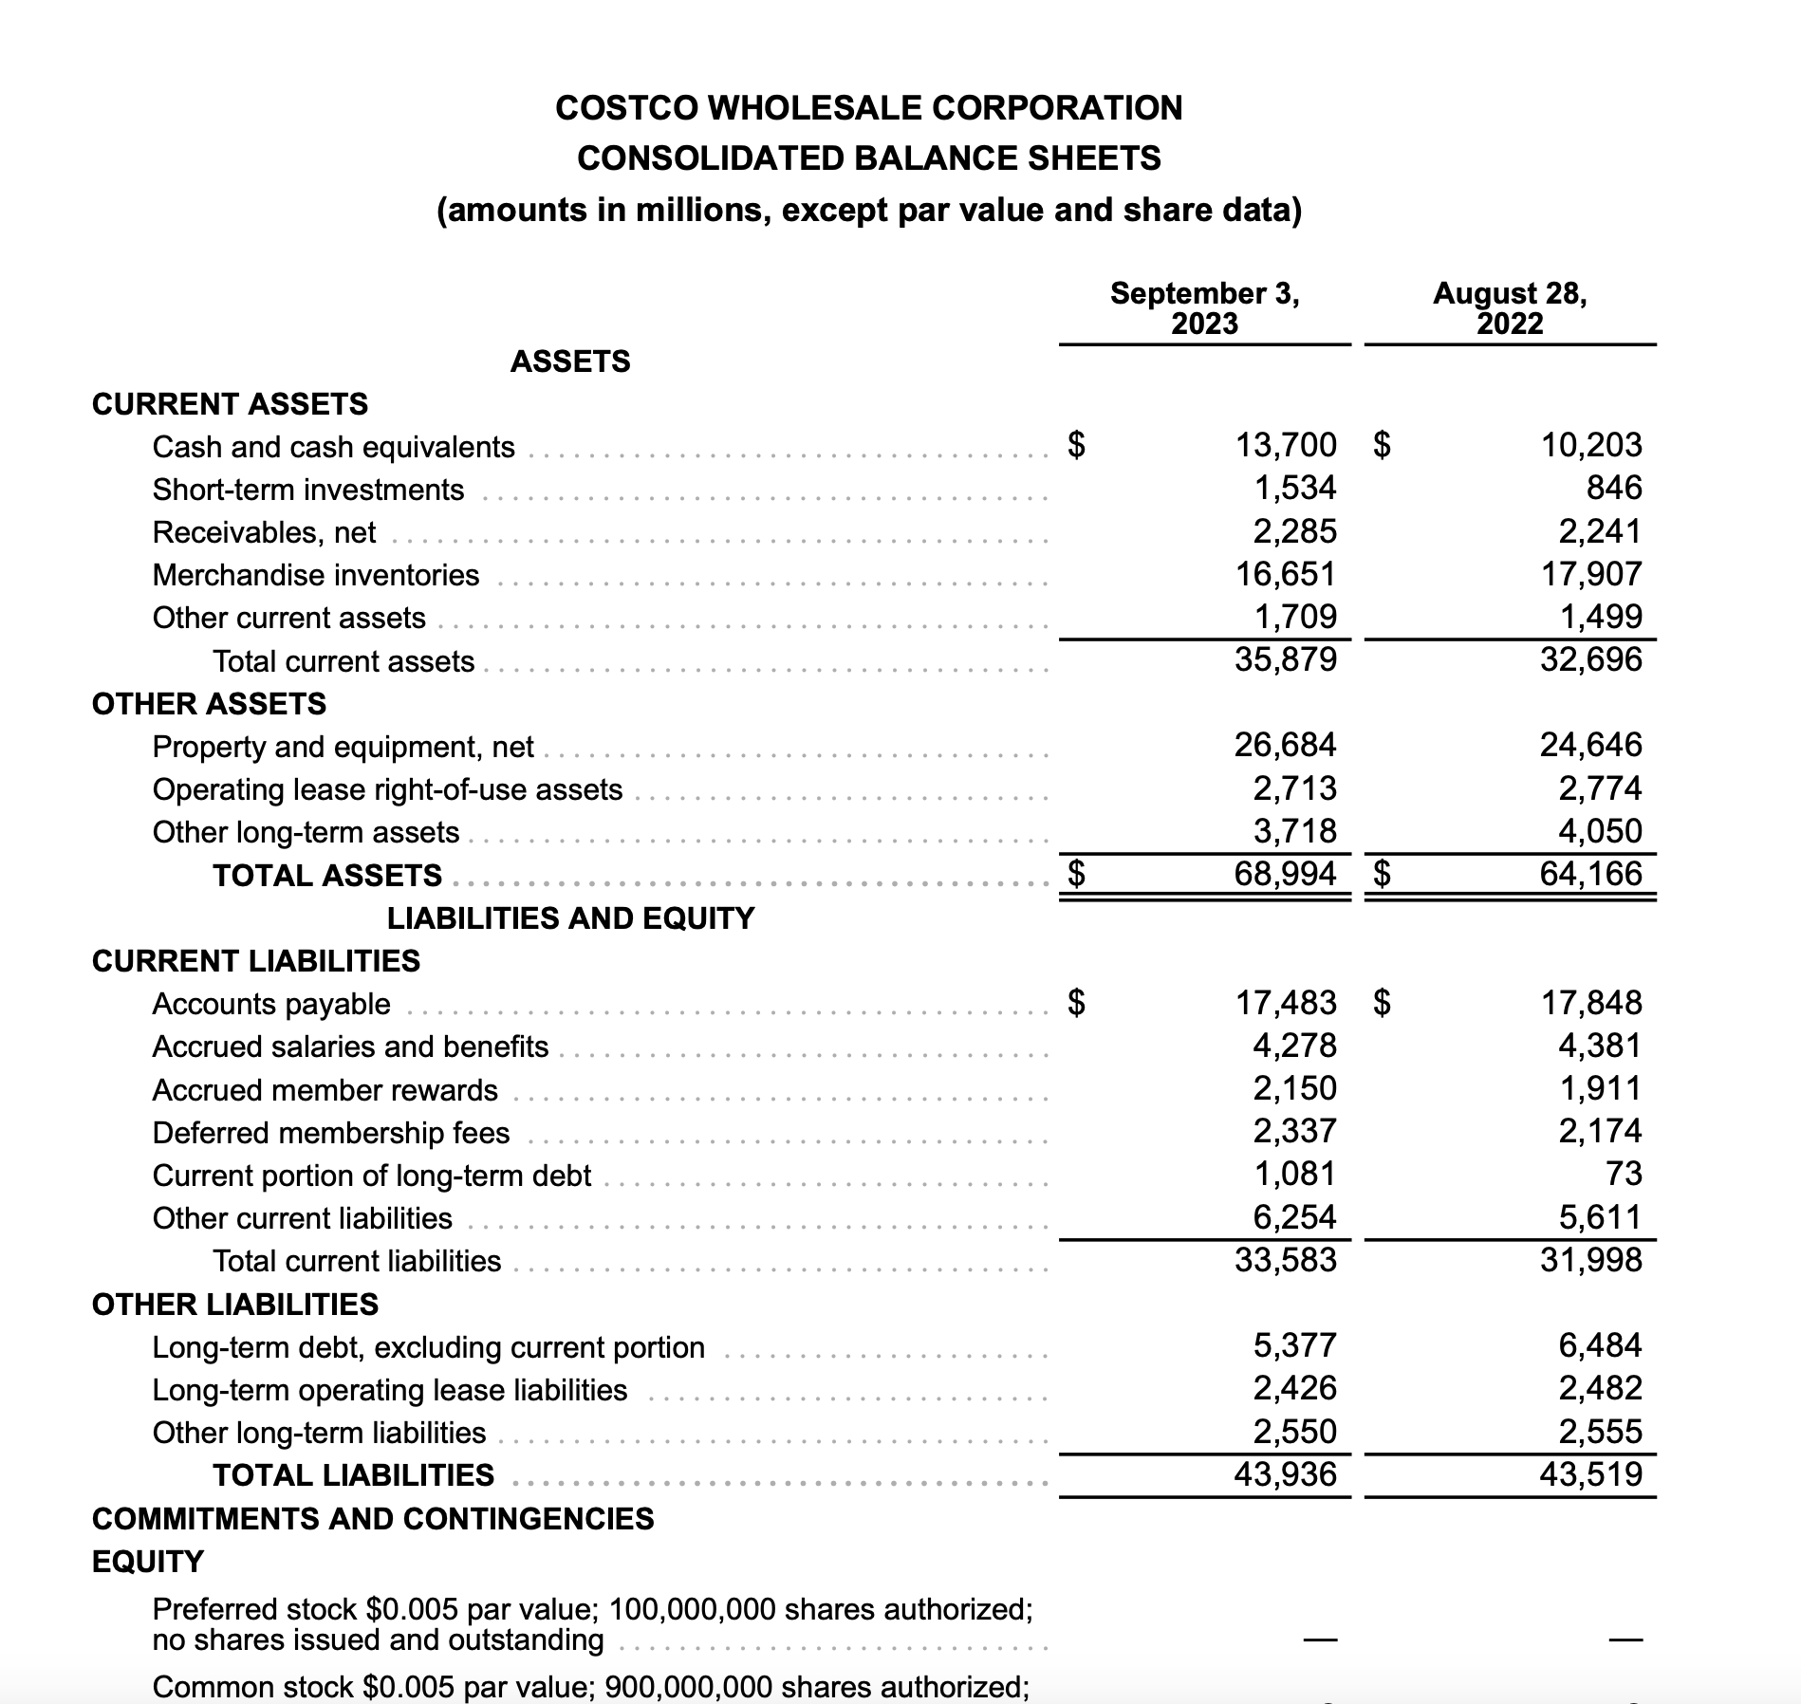
Income | 2023 |  | Balance | 2023
Total Revenues | 242290 |  | Inventories | 16651
COGS (Merchandising Costs) | 212586 |  | Account Receivables | 2285
 |  |  | Account Payables | 17483

Days Inventory Outstanding (DIO) =Inventory/COGS x 365

Days Sales Outstanding (DSO) =(Accounts Receivables)/(Total Revenue) x 365

Days Payable Outstanding (DPO) =(Accounts Payable)/COGS x 365

Cash to Cash to Cycle = Days Sales Outstanding + Days Sales Outstanding - Days Payable Outstanding

 | Year | Month | Days
DOI | 0.078325948087 | 0.93991137704 | 28.588971052
DSO | 0.0094308473317 | 0.11317016798 | 3.4422592761
DPO | 0.082239658303 | 0.98687589964 | 30.017475281
C2C Cycle | 0.0055171371156 | 0.066205645387 | 2.0137550472

